Sheet1
Test Case ID |  | TC_Practical-001 | Test Case Desc | Test the functionality of Windows Notepad Application.
Created By |  | Shreya Jaiswal | Reviewed By | Ritika Ghogare |  | Version |  | 1.0
Tester's Name |  |  | Date Tested |  |  | Test Case Status (Passed/Failed/NE)

# | Prerequisites: |  |  | # | Test Data
1 | Windows OS |  |  | 1
2 | Notepad Application |  |  | 2
3 |  |  |  | 3
4 |  |  |  | 4

Test Scenario | Test entire functionality of Windows Notepad Application.

Step # | Step Details |  | Expected Results | Actual Results |  |  | Pass / Fail / Not executed / Suspended
1 | Type "Notepad" in Taskbar Search box |  | Verify that you see this application icon
2 | Click on the notepad icon. |  | Verify that notepad application is opened.
3 | Type "Hello" on the blank tab. |  | Verify you are able to type on it.
4 | Click on File Menu. |  | Verify that you see mulptile menu options as given in image
5 | i. Click on 'Save as' option. |  | 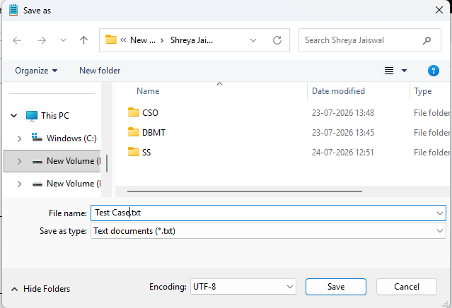 Verify you are able to to see the save as option and dialog box to give name of file and save.
 | i.Select the folder in which you want to save the file. ii.Give the name of file in file name option. iii.Click Save. |  | Verify that the file saved. For this go to the "File Explorer" check the file name shown in that folder.
6 | i. Select the content. ii. Click on Edit Menu. iii. Click on font option. |  | 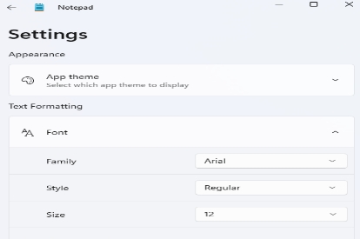 Verify that you see this tab.
7 | In the Font section i.Click on Family. ii. Select the font family e.g. "Calibri". |  | Verify that you see the font family changed.
8 | In the Font section i.Click on Stye ii. Select the font Style e.g. "Bold Italic". |  | Verify that you see the style of font changed.
9 | In the Font section i.Click on Size ii. Select the font Size e.g. "20". |  | Verify that you see the size of font increased.
10 | Click Edit -> Time/Date |  | Verify the current date and time inserted.
11 | Click View -> Zoom -> Zoom In. |  | Verify the page zoomed In.
12 | Click View -> Zoom -> Zoom Out. |  | Verify the page zoomed Out.
13 | Click on Table Icon showing in the Top center. -> Insert -> Define the rows an columns. |  | Verify that the table of given size are see.
14 | Click on Link Icon showing in the Top Center. |  | Verify this tab shows
15 | In the link dialog box Enter the name of link "GitHub" and url address i.e. link of github. Then click insert. |  | Verify the Link shows with the name we given.
16 | Click Setting -> App Theme -> Click on Dark Theme. |  | Verify the theme of notepad changed to dark.
17 | Click of H1(Heading) -> Title |  | Verify Heading Style text will shown.
18 | Click List option -> Bulletted List. |  | Verify that the bulletted list will shown.
19 | Click File -> New Tab |  | Verify that new tab will shown.
20 | Click Edit -> Go To -> Line number e.g. 2 |  | Verify that cursor will go to the line number 2.

